2.3a Practice
Avalee's Marketing Agency
Income Statement
For the Month Ended June 30, 20X8

Revenue |  | 72,800
Operating Expenses
Operating Expense | 11,000
Rent Expense | 4,500
Salaries Expense | 4,800
Total Operating Expenses |  | 20,300
Other Income/Expenses
Interest Expense |  | 116 | Note: This number is listed as a POSITIVE because both income and expense will be listed in this section.
Net Income |  | 52,616

Avalee's Marketing Agency
Statement of Stockholders' Equity
For the Month Ended June 30, 20X8

Beginning Common Stock | 103,000
+ Common Stock Issued | 48,000
Ending Common Stock |  | 151,000

Beginning Retained Earnings | 11,000
+ Net Income | 52,616
- Dividends | -1,800
Ending Retained Earnings |  | 61,816

Total Stockholders' Equity |  | 212,816

Avalee's Marketing Agency
Balance Sheet
as of June 30, 20X8

Assets
Current Assets
Cash | 122,400
Accounts Receivable | 65,000
Interest Receivable | 116
Prepaid Rent | 900
Total Current Assets |  | 188,416
Property, Plant and Equipment
Land |  | 56,000
Total Assets |  | 244,416

Liabilities and Stockholders' Equity
Liabilities
Current Liabilities
Accounts Payable | 23,000
Salaries Payable | 4,800
Unearned Revenue | 3,800
Total Current Liabilities |  | 31,600
Stockholders' Equity
Common Stock | 151,000
Retained Earnings | 61,816
Total Stockholders' Equity |  | 212,816
Total Liabilities and Stockholder's Equity |  | 244,416

Avalee's Marketing Agency
Statement of Cash Flows
as of June 30, 20X8
 |  |  | Note: Only link to the green section so you put it in the correct sections and use the correct sign.
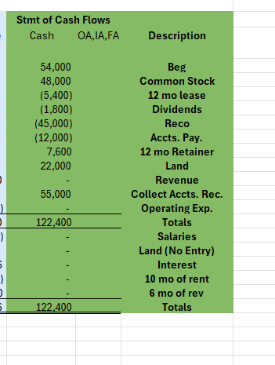
Cash flows from operating activities
Received revenue from customers | $62,600
Paid for rent expense | (5,400)
Paid for operating expenses | (12,000)
Net cash flows from operating activities |  | $45,200

Cash flows from investing activities
Purchased Land | (23,000)
Net cash flows from investing activities |  | (23,000)

Cash flows from financing activities
Issued Common Stock | 48,000
Paid Dividends | (1,800)
Net cash flows from financing activities |  | 46,200

Net cash flow |  | 68,400
Beginning cash balance |  | 54,000
Ending cash balance |  | $122,400

