1.6a Practice
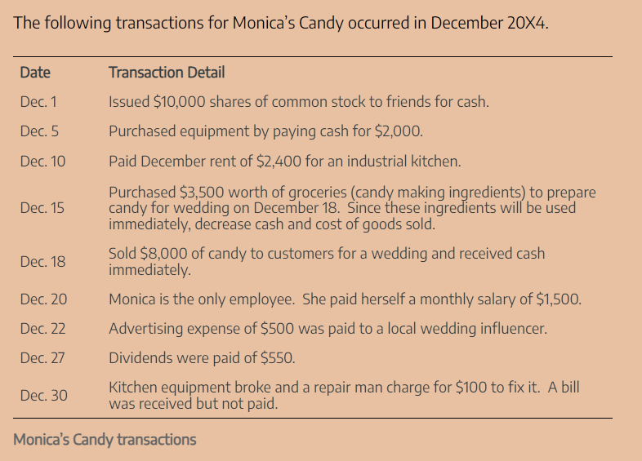

 | Horizontal Model
 | Balance Sheet |  |  |  |  |  |  |  |  | Income Statement |  |  |  |  | Stmt of Cash Flows
 | Cash | + | Equipment | = | Accounts Payable | + | Common Stock | + | Retained Earnings | Revenue | – | Expense | = | Net Income | Cash | OA,IA,FA | Description
Dec. 1 | 10,000 |  |  | = |  |  | 10,000 |  | - |  | – |  | = | - | 10,000 |  | Common Stock
Dec. 5 | (2,000) |  | 2,000 | = |  |  |  |  | - |  | – |  | = | - | (2,000) |  | Equipment
Dec. 10 | (2,400) |  |  | = |  |  |  |  | (2,400) |  | – | 2,400 | = | (2,400) | (2,400) |  | Rent Expense
Dec. 15 | (3,500) |  |  | = |  |  |  |  | (3,500) |  | – | 3,500 | = | (3,500) | (3,500) |  | COGS
Dec. 18 | 8,000 |  |  | = |  |  |  |  | 8,000 | 8,000 | – |  | = | 8,000 | 8,000 |  | Revenue
Dec. 20 | (1,500) |  |  | = |  |  |  |  | (1,500) |  | – | 1,500 | = | (1,500) | (1,500) |  | COGS
Dec. 22 | (500) |  |  | = |  |  |  |  | (500) |  | – | 500 | = | (500) | (500) |  | Advertising Expense
Dec. 27 | (550) |  |  | = |  |  |  |  | (550) |  | – |  | = | - | (550) |  | Dividends
Dec. 30 |  |  |  | = | 100 |  |  |  | (100) |  | – | 100 | = | (100) | - |  | Repair Expense
 | 7,550 |  | 2,000 | = | 100 |  | 10,000 |  | (550) | 8,000 |  | 8,000 |  | - | 7,550 |  | Totals
 |  |  | 9,550 | = | 9,550

